HDFCAALFOF

HDFC Asset Allocator Fund of Funds (AN OPEN-ENDED FUND OF FUNDS SCHEME ) |  |  |  |  |  |  |  |  |  | Income | Hybrid
Portfolio as on 28-Feb-2023

 | ISIN | Coupon (%) | Name Of the Instrument | Industry+ /Rating | Quantity | Market/ Fair Value (Rs. in Lacs.) | % to NAV | Yield | ~YTC (AT1/Tier 2 bonds)
 | MONEY MARKET INSTRUMENTS
 | TREPS - Tri-party Repo
 |  |  | TREPS - Tri-party Repo |  |  | 7,705.53 | 3.29 | 6.5976
 | Reverse Repo
 |  |  | Reverse Repo |  |  | 2,801.02 | 1.20 | 6.6243
 | Sub Total |  |  |  |  | 10,506.55 | 4.49
 | Total |  |  |  |  | 10,506.55 | 4.49
 | OTHERS
 | Mutual Fund Units
 | INF179K01YV8 |  | HDFC Top 100 Fund - Direct Plan - Growth Option |  | 4,829,257 | 37,718.35 | 16.12
 | INF179K01UT0 |  | HDFC Flexi Cap Fund - Direct Plan- Growth Option |  | 3,137,763 | 37,644.91 | 16.09
 | INF179K01YM7 |  | HDFC Short Term Debt Fund - Growth Option - Direct Plan |  | 119,739,907 | 32,630.44 | 13.95
 | INF179KC1981 |  | HDFC Gold Exchange Traded Fund |  | 62,760,000 | 30,582.95 | 13.07
 | INF179K01VF7 |  | HDFC Low Duration Fund - Direct Plan - Growth Option |  | 58,043,839 | 30,257.21 | 12.93
 | INF179KA1RW5 |  | HDFC Small Cap Fund - Direct Plan- Growth Option |  | 11,084,643 | 9,713.39 | 4.15
 | INF179K01XQ0 |  | HDFC Mid Cap Opportunities Fund - Direct Plan - Growth Option |  | 8,673,328 | 9,386.48 | 4.01
 | INF179K01VQ4 |  | HDFC Floating Rate Debt Fund - Direct Plan - Growth Option |  | 21,459,019 | 9,023.86 | 3.86
 | INF179KC1AO6 |  | HDFC Dividend Yield Fund - Direct Plan - Growth Option |  | 55,817,951 | 8,666.41 | 3.70
 | INF179KA1RQ7 |  | HDFC Large and Mid Cap Fund - Direct Plan- Growth Option |  | 4,334,371 | 8,609.55 | 3.68
 | INF179K01VC4 |  | HDFC Capital Builder Value Fund - Direct Plan - Growth Option |  | 1,775,431 | 8,425.68 | 3.60
 | INF179K01VS0 |  | HDFC Gilt Fund - Growth Option - Direct Plan |  | 1,045,682 | 499.98 | 0.21
 | INF179K01WI9 |  | HDFC Medium Term Debt Fund - Growth Option - Direct Plan |  | 997,236 | 500.37 | 0.21
 | Net Current Assets
 |  |  | Net Current Assets |  |  | -235.30 | -0.07
 | Sub Total |  |  |  |  | 223,424.28 | 95.51
 | Total |  |  |  |  | 223,424.28 | 95.51

 | Grand Total |  |  |  |  | 233,930.83 | 100.00
| | Top Ten Holdings
 | + Industry Classification as recommended by AMFI
 | £ - Sponsor Company
 | ** Thinly Traded/ Non-Traded Securities (Equity) as on February 28, 2023
 | ^ Non-Traded Securities (Debt) as on February 28, 2023
 | # Non Sensex Scrips
 | @ Less than 0.01%.
 | ~ YTC i.e. Yield to Call is disclosed at security level only for Additional Tier 1 Bonds and Tier 2 Bonds issued by Banks as per AMFI Best Practices Notification 135/BP/91/2020-21 read with SEBI circular SEBI/HO/IMD/DF4/CIR/P/2021/034

 | Portfolio Classification by Asset Class(%)
 | Mutual Fund Units |  | 95.58
 | Cash, Cash Equivalents and Net Current Assets |  | 4.42
 | Portfolio Classification by Rating Class(%)
 | Cash, Cash Equivalents and Net Current Assets |  | 100.00

 | Notes :
 | 1) NAV History
 | NAVs per unit (Rs.) | February 28, 2023 | January 31, 2023
 | IDCW Option | 12.14 | 12.31
 | IDCW Option - Direct Plan | 12.43 | 12.59
 | Growth Option | 12.14 | 12.31
 | Growth Option - Direct Plan | 12.43 | 12.59

 | Dividend History - Dividend declared during the month ended February 28, 2023 : Nil

 | Bonus History - Bonus declared during the month ended February 28, 2023: Nil

 | 2) Total below investment grade or default provided for and its percentage to NAV : Nil
 | 3) Total investments in Foreign Securities / Overseas ETFs / ADRs / GDRs : Nil
 | 4) Repo in Corporate Debt : Nil
 | 5) Total outstanding exposure in Derivative Instruments as on Feb 28, 2023 : Nil
 | 6) Pursuant to SEBI Circular SEBI/HO/IMD/DF3/CIR/P/2020/194 dated October 05, 2020, name of all the existing dividend plan / option of all mutual fund schemes has been renamed as IDCW (Income Distribution cum Capital Withdrawal) Plan / Option with effect from April 01, 2021
 | 7) Riskometer based on Scheme Portfolio and Portfolio Benchmark "90% NIFTY 50 Hybrid Composite Debt 65:35 Index (Total Returns Index) and 10% Domestic Prices of Gold arrived at based on London Bullion Market Association's (LBMA) AM fixing price" as on Feb 28, 2023

 | Scheme Riskometer:
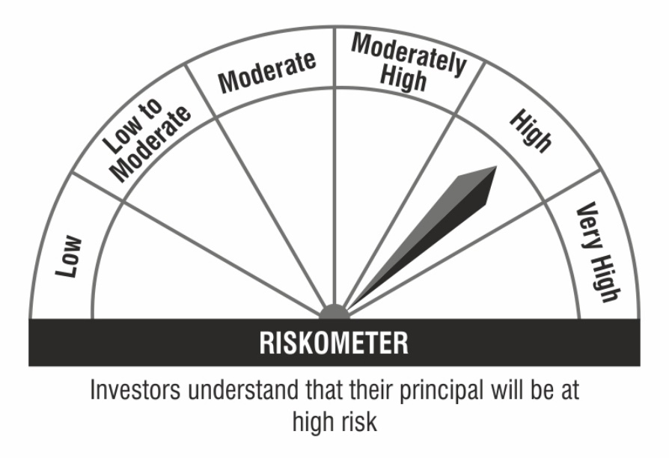

 | Benchmark Riskometer:

